1.启动
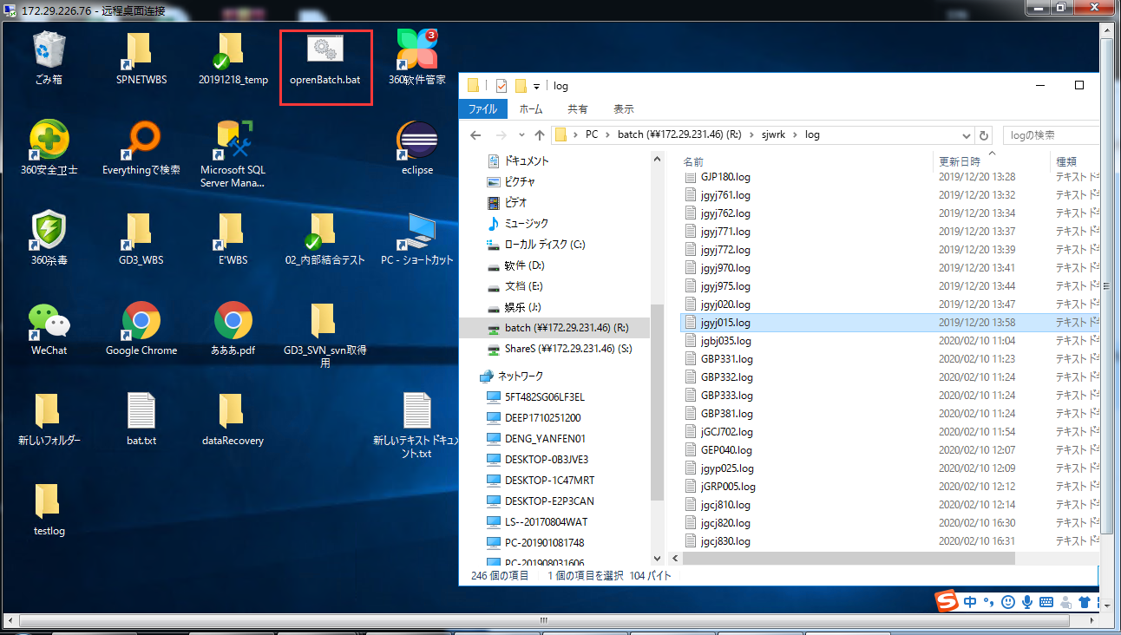
76机器连接信息： |  | 143机器连接信息： |  | 139机器信息
 | 172.29.226.76 |  | 172.29.231.143 |  | 172.29.231.139
 | administrator |  | administrator |  | administrator
 | Purvar_123 |  | Founder123 |  | Purvar123
batch运行命令： r:\gd\bat\jgbj035.bat {サーバー名} gdgym

双击桌面的openBatch.bat，输入jgbj035.bat {サーバー名} gdgym，其中{サーバー名}填服务器名即jgcj030i2.bat 172.29.226.76 gdgym

log在r:\s jwrk\1og\jgdj015.1og

问题1
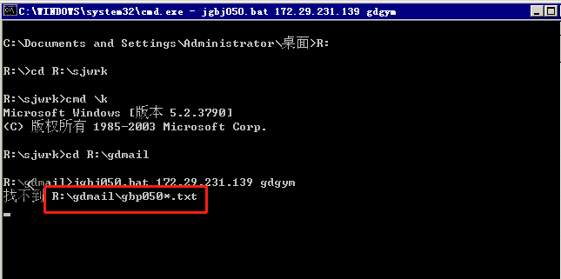
第一次在143上运行的错误
 | エラー : ユーザーが選択されていません。 -U または -E スイッチを使用して試してください
 | エラー : ユーザーが選択されていません。 -U または -E スイッチを使用して試してください
 | gyp210 abnormal end

 | 解决方法
 |  | https://redmine-skgd3-local.founder.co.jp/issues/72
 |  | 添加环境变量：
 |  | osqluser | gd-sa
 |  | osqlpassword | gd-sa

测试书第五行：jgbj050.bat
 | 错误：找不到R:\gdmail\gbp0501.txt |  |  | 解决方法： | 参考票#185

